LABLE
PPAP

Part No:- | 2641 8910 0193

Part Name:- | ASSY TIE MEMBER(REAR MTG)

COVER
SHARADA INDUSTRIES

PPAP

Part No:- | 2641 8910 0193

Dwg. No:- | 2641 8910 0193

Part Name:- | ASSY TIE MEMBER(REAR MTG)

Mod No. & Date:- | e / 25/05/15

Document:- | PPAP (Production Part Approval Process)

17)Work Instruction
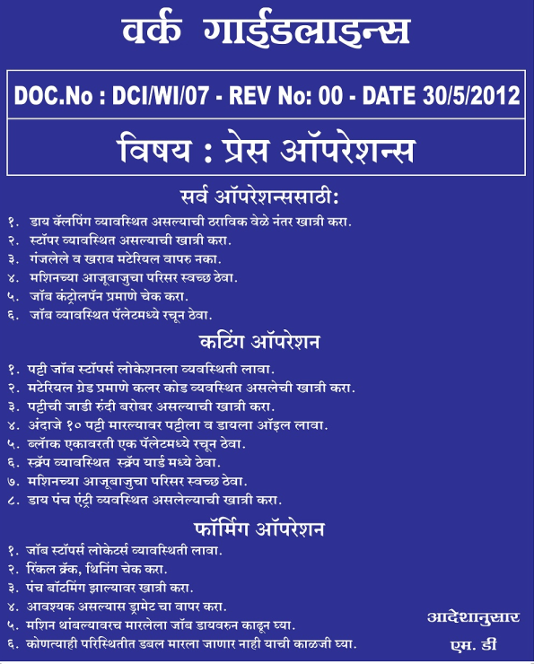

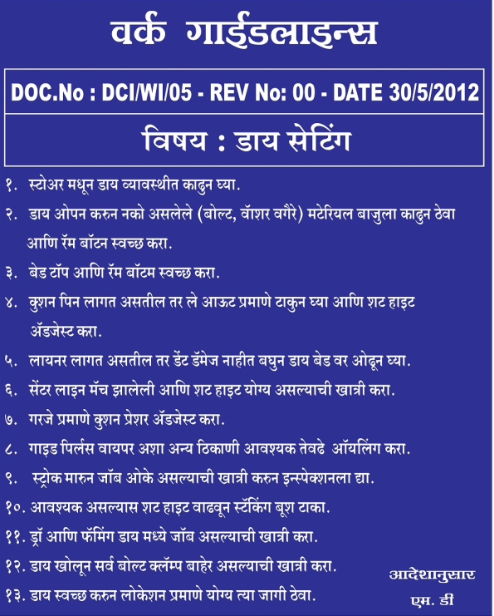

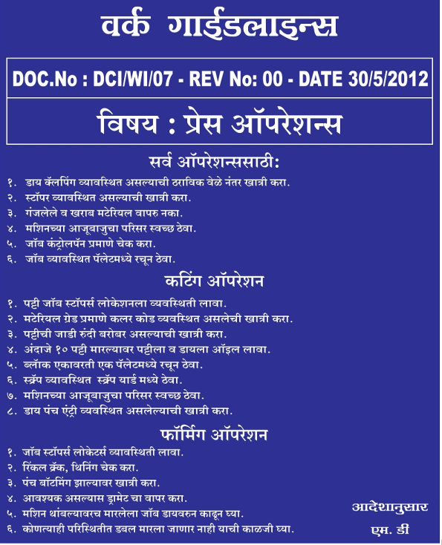

Tool Identification
BLANKING TOOL

PIERCING TOOL

FORMING TOOL

PANNEL CHECKER

